scenario2
Experiment ID | capacity batch | capacity realtime | max cap batch | max cap realtime | # batch job | # realtime job |  | # mappers batch | # reducers batch | # mappers realtime | # reducers realtime | batch 1 duration (sec) | batch 2 duration | avg batch | realtime 1 duration | realtime 2 duration | realtime 3 duration | realtime 4 duration | avg realtime | Total Exectution Time
113 | 50 | 50 | 50 | 50 | 2 | 4 |  | 18 | 1 | 6 | 0 | 91 | 124 | 107.5 | 162 | 90 | 109 | 121 | 120.5 | 330
114 | 40 | 60 | 40 | 60 | 2 | 4 |  | 18 | 1 | 6 | 0 | 133 | 194 | 163.5 | 158 | 169 | 184 | 134 | 161.25 | 345
115 | 30 | 70 | 30 | 70 | 2 | 4 |  | 18 | 1 | 6 | 0 | 113 | 240 | 176.5 | 152 | 114 | 161 | 131 | 139.5 | 351
116 | 20 | 80 | 20 | 80 | 2 | 4 |  | 18 | 1 | 6 | 0 | 167 | 305 | 236 | 99 | 93 | 150 | 110 | 113 | 299
118 | 10 | 90 | 10 | 90 | 2 | 4 |  | 18 | 1 | 6 | 0 | 500 | 500 | 500 | 105 | 73 | 92 | 88 | 89.5 | 500 | 271(realtime)
 |  |  |  |  |  |  |  |  |  |  |  | timeout | timeout | timeout (>15min) |  |  |  |  |  | timeout
max capacity
129 | 50 | 50 | 50 | 60 | 2 | 4 | capacity-scheduler.rconf50.max10.xml |  |  |  |  | 93 | 139 | 116 | 137 | 187 | 134 | 119 | 144.25 | 337
141 | 50 | 50 | 50 | 70 | 2 | 4 | capacity-scheduler.rconf50.max20.xml |  |  | app 2 |  | 95 | 190 | 142.5 | 118 | 221 | 117 | 87 | 135.75 | 343
133 | 40 | 60 | 40 | 70 | 2 | 4 | capacity-scheduler.rconf60.max10.xml |  |  |  |  | 111 | 197 | 154 | 109 | 204 | 121 | 94 | 132 | 369
136 | 40 | 60 | 40 | 80 | 2 | 4 | capacity-scheduler.rconf60.max20.xml |  |  |  |  | 128 | 212 | 170 | 109 | 184 | 151 | 105 | 137.25 | 356
165 | 30 | 70 | 30 | 80 | 2 | 4 | capacity-scheduler.rconf70.max10.xml |  |  |  |  | 161 | 251 | 206 | 116 | 223 | 160 | 65 | 141 | 329
163 | 30 | 70 | 30 | 90 | 2 | 4 | capacity-scheduler.rconf70.max20.xml |  |  |  |  | 170 | 271 | 220.5 | 144 | 100 | 123 | 120 | 121.75 | 323
146 | 20 | 80 | 20 | 90 | 2 | 4 | capacity-scheduler.rconf80.max10.xml |  |  | app 18 |  | timeout | timeout | timeout (>15min) | 138 | 107 | 84 | 130 | 114.75 | timeout
164 | 20 | 80 | 20 | 100 |  |  | capacity-scheduler.rconf80.max20.xml |  |  |  |  | timeout | timeout | timeout (>15min) | 197 | 113 | 85 | 90 | 121.25 | timeout
150 | 10 | 90 | 20 | 90 | 2 | 4 | capacity-scheduler.rconf90.max10.xml |  |  |  |  | 318 | 512 | 415 | 84 | 165 | 184 | 104 | 134.25 | 538
156 | 10 | 90 | 30 | 90 |  |  | capacity-scheduler.rconf90.max20.xml |  |  |  |  | 322 | 498 | 410 | 106 | 119 | 96 | 95 | 104 | 529

preemption

max capacity = capacity

 |  |  |  |  |  |  |  |  |  |  |  | 1:27:21 | 1:32:50 | 0:05:29

 |  |  | 50 | 50 | 50-50
 |  |  | 40 | 60 | 40-60
 |  |  | 30 | 70 | 30-70
 |  |  | 20 | 80 | 20-80
 |  |  | 10 | 90 | 10-90

scenario1
Experiment ID | capacity batch | capacity realtime | max cap batch | max cap realtime | # batch job | # realtime job | # mappers batch | # reducers batch | # mappers realtime | # reducers realtime | batch 1 duration (sec) | batch 2 duration | batch 3 duration | batch 4 duration | batch 5 duration | avg batch | realtime 1 duration | realtime 2 duration | avg realtime | Total Exectution Time | with preemption
117 | 50 | 50 | 50 | 50 | 5 | 2 | 18 | 1 | 5 | 0 | 105 | 207 | 199 | 208 | 216 | 187 | 157 | 203 | 180 | 392
119 | 60 | 40 | 60 | 40 | 5 | 2 | 18 | 1 | 5 | 0 | 86 | 108 | 121 | 143 | 151 | 121.8 | 174 | 159 | 166.5 | 342
120 | 70 | 30 | 70 | 30 | 5 | 2 | 18 | 1 | 5 | 0 | 74 | 137 | 130 | 125 | 167 | 126.6 | 187 | 283 | 235 | 362
121 | 80 | 20 | 80 | 20 | 5 | 2 | 18 | 1 | 5 | 0 | 87 | 117 | 124 | 123 | 140 | 118.2 | 250 | 212 | 231 | 385
122 | 90 | 10 | 90 | 10 | 5 | 2 | 18 | 1 | 5 | 0 | 90 | 115 | 101 | 121 | 109 | 107.2 | 500 | 500 | 500 | 500
DominantResouceCalculator |  |  |  |  |  |  |  |  |  |  |  |  |  |  |  |  | timeout | timeout |  | >20mins
158 | 50 | 50 | 50 | 50

max capacity
126 | 50 | 50 | 60 | 50 | 5 | 2 | 18 | 1 | 5 | 0 | 82 | 137 | 145 | 177 | 197 | 147.6 | 171 | 201 | 186 | 372
128 | 50 | 50 | 70 | 50 | 5 | 2 | 18 | 1 | 5 | 0 | 89 | 158 | 167 | 168 | 194 | 155.2 | 149 | 122 | 135.5 | 371
130 | 60 | 40 | 70 | 40 | 5 | 2 | 18 | 1 | 5 | 0 | 99 | 132 | 147 | 145 | 168 | 138.2 | 127 | 160 | 143.5 | 331
131 | 60 | 40 | 80 | 40 | 5 | 2 | 18 | 1 | 5 | 0 | 105 | 149 | 162 | 170 | 179 | 153 | 206 | 200 | 203 | 370
157 | 70 | 30 | 70 | 40 | 5 | 2 | 18 | 1 |  |  | 77 | 117 | 115 | 148 | 161 | 123.6 | 87 | 163 | 125 | 315 | 355
147 | 70 | 30 | 70 | 50 | 5 | 2 | 18 | 1 | 5 | 0 | 94 | 141 | 114 | 127 | 152 | 125.6 | 207 | 151 | 179 | 333 | 377
137 | 80 | 20 | 80 | 30 | 5 | 2 | 18 | 1 | 5 | 0 | 60 | 105 | 107 | 119 | 133 | 104.8 | 259 | 213 | 236 | 327
140 | 80 | 20 | 80 | 40 | 5 | 2 | 18 | 1 | 5 | 0 | 87 | 122 | 129 | 147 | 169 | 130.8 | 216 | 181 | 198.5 | 364
142 | 80 | 20 | 80 | 50 | 5 | 2 | 18 | 1 | 5 | 0 | 59 | 106 | 107 | 106 | 105 | 96.6 | 215 | 173 | 194 | 325

CPU scheduling
158 | 50 | 50 | 50 | 50 | 5 | 2 |  |  |  |  | 110 | 169 | 190 | 222 | 263 | 190.8 | 89 | 134 | 111.5 | 411
159 | 60 | 40 | 60 | 40 | 5 | 2 |  |  |  |  | 113 | 185 | 174 | 169 | 179 | 164 | 108 | 148 | 128 | 356
160 | 70 | 30 | 70 | 30 | 5 | 2 |  |  |  |  | 104 | 167 | 150 | 160 | 183 | 152.8 | 160 | 174 | 167 | 362
161 | 80 | 20 | 80 | 20 | 5 | 2 |  |  |  |  | 91 | 117 | 102 | 134 | 127 | 114.2 | 181 | 185 | 183 | 343
162 | 90 | 10 | 90 | 10 | 5 | 2 |  |  |  |  | 63 | 95 | 106 | 113 | 124 | 100.2 | timeout | timeout |  | >20min

max capacity = capacity
 |  |  |  |  |  |  | 117 | 119 | 120 | 121 | 122 | 126 | 128 | 130 | 131 | 157 | 147 | 137 | 140 | 142

 |  |  |  |  |  |  | 0:35:30 | 0:40:53 | 0:05:23

 |  | 50 | 50 |  | 50-50
 |  | 60 | 40 |  | 60-40
 |  | 70 | 30 |  | 70-30
 |  | 80 | 20 |  | 80-20
 |  | 90 | 10 |  | 90-10

scenario 1 plot
color | Experiment ID | capacity batch | capacity realtime | max cap batch | max cap realtime | batch 1 duration (sec) | batch 2 duration | batch 3 duration | batch 4 duration | batch 5 duration | avg batch | realtime 1 duration | realtime 2 duration | avg realtime | Total Exectution Time | with preemption
g | 117 | 50 | 50 | 50 | 50 | 105 | 207 | 199 | 208 | 216 | 187 | 157 | 203 | 180 | 392
b | 126 | 50 | 50 | 60 | 50 | 82 | 137 | 145 | 177 | 197 | 147.6 | 171 | 201 | 186 | 372
r | 128 | 50 | 50 | 70 | 50 | 89 | 158 | 167 | 168 | 194 | 155.2 | 149 | 122 | 135.5 | 371
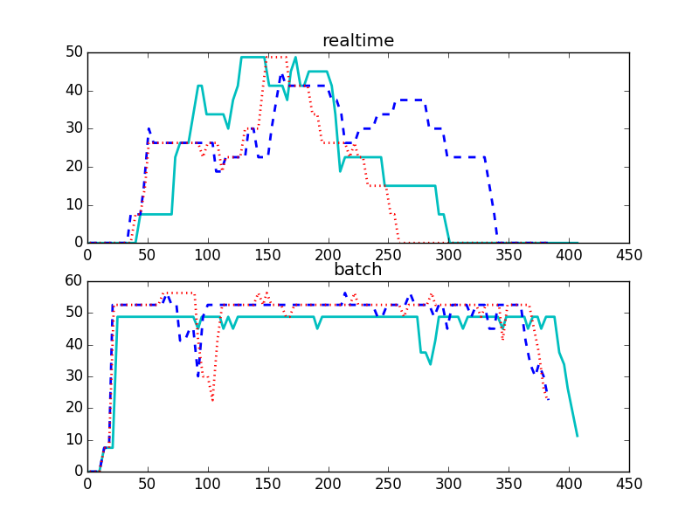
 |  |  |  |  |  |  |  |  |  |  |  |  |  |  |  |  |  | COLLECT cluster metrics!

capacity 50%-50%
 | 50-50 | 60-50 | 70-50
avg batch | 187 | 147.6 | 155.2
avg realtime | 180 | 186 | 135.5
Total Exectution Time | 392 | 372 | 371

 |  |  |  |  |  |  |  |  |  |  |  |  |  |  |  |  | g
 |  |  |  |  |  |  |  |  |  |  |  |  |  |  |  |  | b
 |  |  |  |  |  |  |  |  |  |  |  |  |  |  |  |  | r

 | Experiment ID | capacity batch | capacity realtime | max cap batch | max cap realtime | batch 1 duration (sec) | batch 2 duration | batch 3 duration | batch 4 duration | batch 5 duration | avg batch | realtime 1 duration | realtime 2 duration | avg realtime | Total Exectution Time | with preemption
 | 119 | 60 | 40 | 60 | 40 | 86 | 108 | 121 | 143 | 151 | 121.8 | 174 | 159 | 166.5 | 342
 | 130 | 60 | 40 | 70 | 40 | 99 | 132 | 147 | 145 | 168 | 138.2 | 127 | 160 | 143.5 | 331
 | 131 | 60 | 40 | 80 | 40 | 105 | 149 | 162 | 170 | 179 | 153 | 206 | 200 | 203 | 370

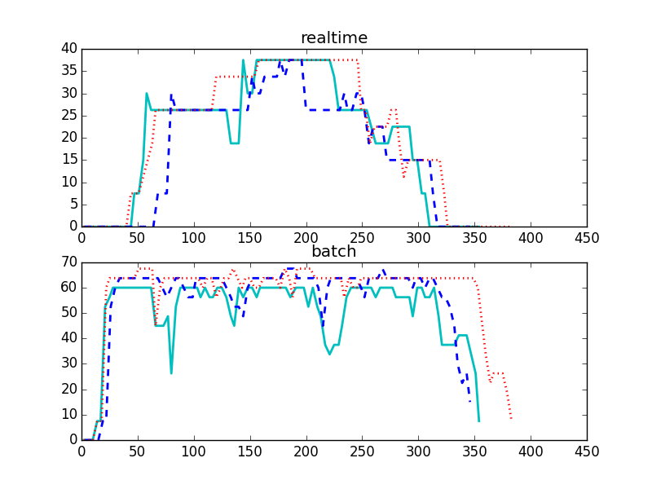

 | 60-40 | 70-40 | 80-40
avg batch | 121.8 | 138.2 | 153
avg realtime | 166.5 | 143.5 | 203
Total Exectution Time | 342 | 331 | 370

 | Experiment ID | capacity batch | capacity realtime | max cap batch | max cap realtime | batch 1 duration (sec) | batch 2 duration | batch 3 duration | batch 4 duration | batch 5 duration | avg batch | realtime 1 duration | realtime 2 duration | avg realtime | Total Exectution Time
 | 120 | 70 | 30 | 70 | 30 | 74 | 137 | 130 | 125 | 167 | 126.6 | 187 | 283 | 235 | 362
 | 157 | 70 | 30 | 70 | 40 | 77 | 117 | 115 | 148 | 161 | 123.6 | 87 | 163 | 125 | 315
 | 147 | 70 | 30 | 70 | 50 | 94 | 141 | 114 | 127 | 152 | 125.6 | 207 | 151 | 179 | 333
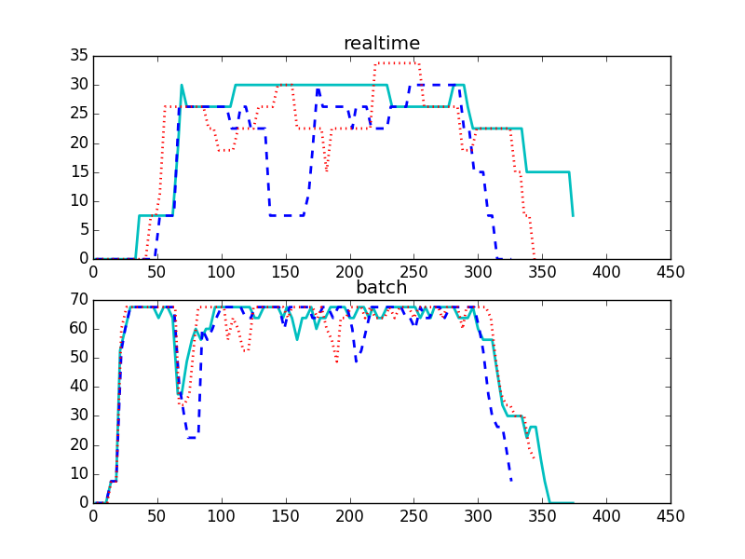
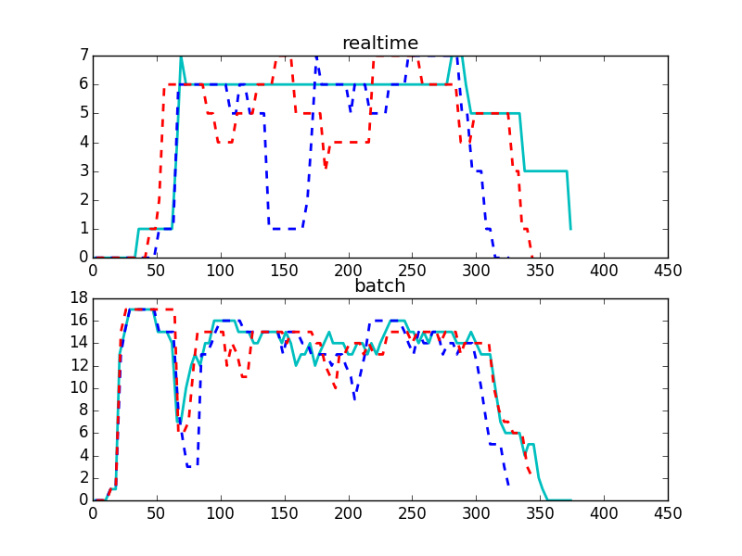

performance in different max capacity setting
 | 70-30 | 70-40 | 70-50
avg batch | 126.6 | 123.6 | 125.6
avg realtime | 235 | 125 | 179
Total Exectution Time | 362 | 315 | 333

 | Experiment ID | capacity batch | capacity realtime | max cap batch | max cap realtime | batch 1 duration (sec) | batch 2 duration | batch 3 duration | batch 4 duration | batch 5 duration | avg batch | realtime 1 duration | realtime 2 duration | avg realtime | Total Exectution Time | with preemption
 | 121 | 80 | 20 | 80 | 20 | 87 | 117 | 124 | 123 | 140 | 118.2 | 250 | 212 | 231 | 385
 | 137 | 80 | 20 | 80 | 30 | 60 | 105 | 107 | 119 | 133 | 104.8 | 259 | 213 | 236 | 327
 | 140 | 80 | 20 | 80 | 40 | 87 | 122 | 129 | 147 | 169 | 130.8 | 216 | 181 | 198.5 | 364
 | 142 | 80 | 20 | 80 | 50 | 59 | 106 | 107 | 106 | 105 | 96.6 | 215 | 173 | 194 | 325
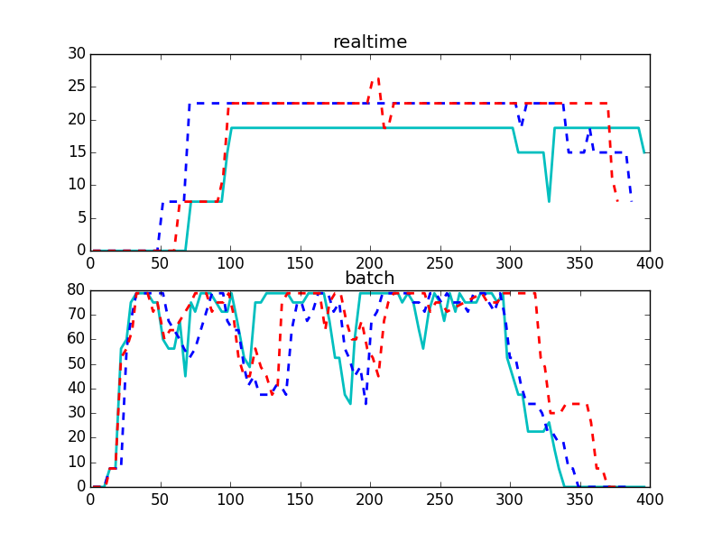

performance in different max capacity setting
 | 80-20 | 80-30 | 80-40
avg batch | 118.2 | 104.8 | 130.8
avg realtime | 231 | 236 | 198.5
Total Exectution Time | 385 | 327 | 364

 |  |  |  | 2:30:46
 |  |  |  | 2:36:49
 |  |  |  | 0:06:03

scenario 2 plot
Experiment ID | capacity batch | capacity realtime | max cap batch | max cap realtime | batch 1 duration (sec) | batch 2 duration | avg batch | realtime 1 duration | realtime 2 duration | realtime 3 duration | realtime 4 duration | avg realtime | Total Exectution Time
113 | 50 | 50 | 50 | 50 | 91 | 124 | 107.5 | 162 | 90 | 109 | 121 | 120.5 | 330
129 | 50 | 50 | 50 | 60 | 93 | 139 | 116 | 137 | 187 | 134 | 119 | 144.25 | 337
141 | 50 | 50 | 50 | 70 | 95 | 190 | 142.5 | 118 | 221 | 117 | 87 | 135.75 | 343
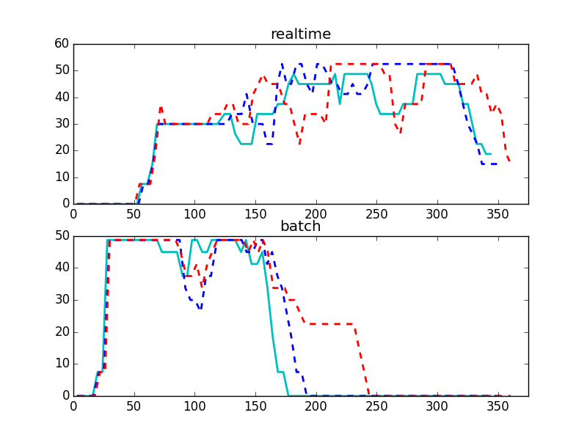
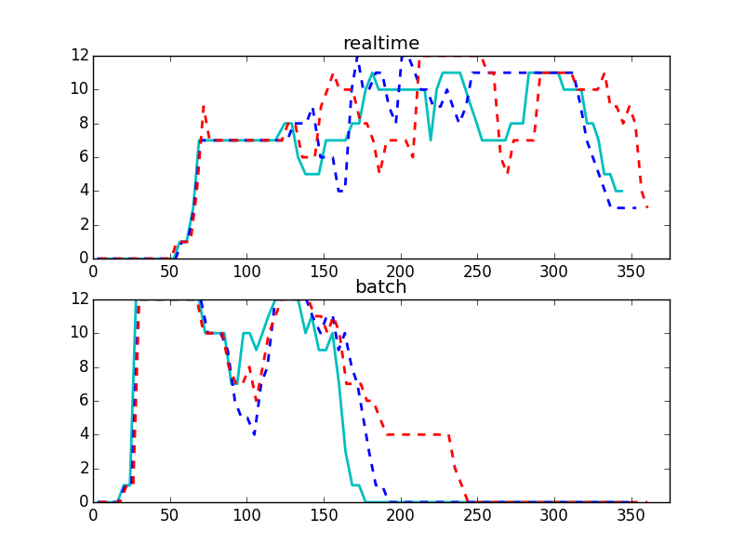

performance in different max capacity setting
 | 50-50 | 50-60 | 50-70
avg batch | 107.5 | 116 | 142.5
avg realtime | 120.5 | 144.25 | 135.75
Total Exectution Time | 330 | 337 | 343

Experiment ID | capacity batch | capacity realtime | max cap batch | max cap realtime | batch 1 duration (sec) | batch 2 duration | avg batch | realtime 1 duration | realtime 2 duration | realtime 3 duration | realtime 4 duration | avg realtime | Total Exectution Time
114 | 40 | 60 | 40 | 60 | 133 | 194 | 163.5 | 158 | 169 | 184 | 134 | 161.25 | 345
133 | 40 | 60 | 40 | 70 | 111 | 197 | 154 | 109 | 204 | 121 | 94 | 132 | 369
136 | 40 | 60 | 40 | 80 | 128 | 212 | 170 | 109 | 184 | 151 | 105 | 137.25 | 356

 | 40-60 | 40-70 | 40-80
avg batch | 163.5 | 154 | 170
avg realtime | 161.25 | 132 | 137.25
Total Exectution Time | 345 | 369 | 356
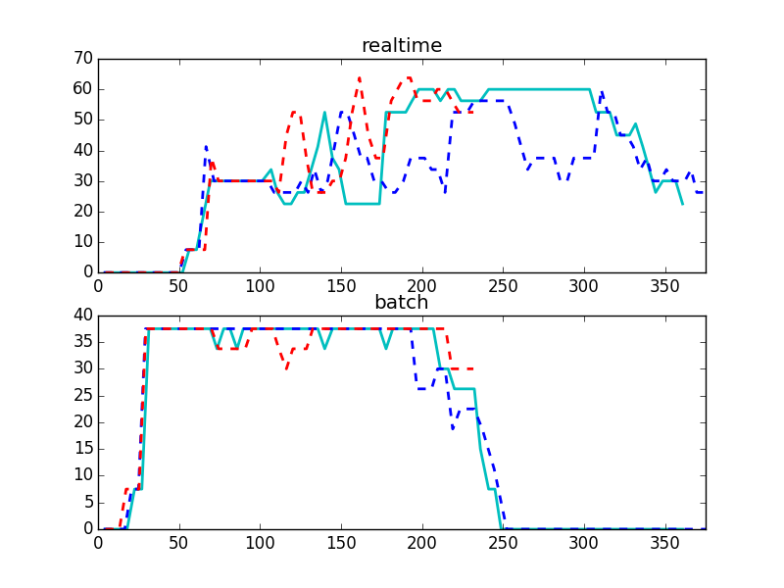

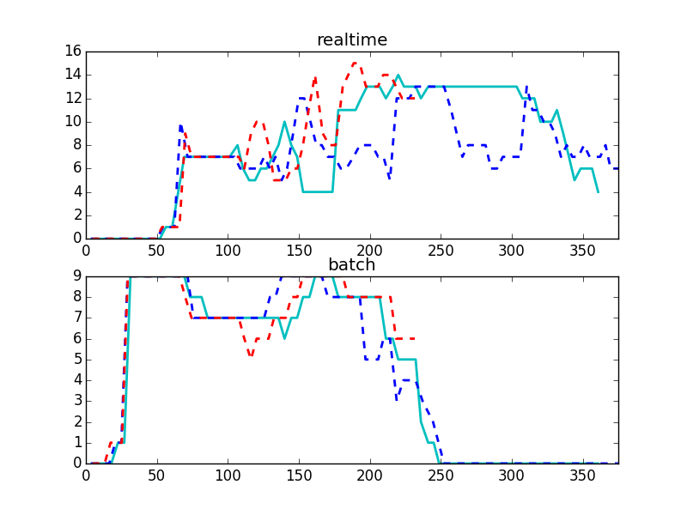

Experiment ID | capacity batch | capacity realtime | max cap batch | max cap realtime | batch 1 duration (sec) | batch 2 duration | avg batch | realtime 1 duration | realtime 2 duration | realtime 3 duration | realtime 4 duration | avg realtime | Total Exectution Time
115 | 30 | 70 | 30 | 70 | 113 | 240 | 176.5 | 152 | 114 | 161 | 131 | 139.5 | 351
165 | 30 | 70 | 30 | 80 | 161 | 251 | 206 | 116 | 223 | 160 | 65 | 141 | 329
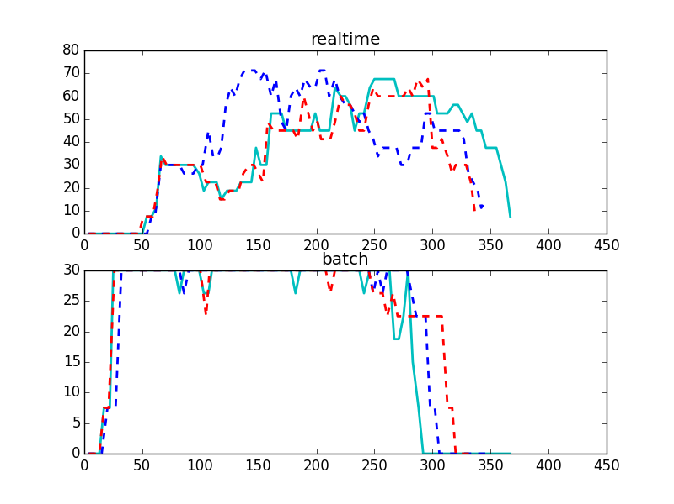
163 | 30 | 70 | 30 | 90 | 170 | 271 | 220.5 | 144 | 100 | 123 | 120 | 121.75 | 323

performance in different max capacity setting
 | 30-70 | 30-80 | 30-90
avg batch | 176.5 | 206 | 220.5
avg realtime | 139.5 | 141 | 121.75
Total Exectution Time | 351 | 329 | 323

Experiment ID | capacity batch | capacity realtime | max cap batch | max cap realtime | batch 1 duration (sec) | batch 2 duration | avg batch | realtime 1 duration | realtime 2 duration | realtime 3 duration | realtime 4 duration | avg realtime | Total Exectution Time
116 | 20 | 80 | 20 | 80 | 167 | 305 | 236 | 99 | 93 | 150 | 110 | 113 | 299
146 | 20 | 80 | 20 | 90 | timeout | timeout | timeout (>15min) | 138 | 107 | 84 | 130 | 114.75 | timeout
164 | 20 | 80 | 20 | 100 | timeout | timeout | timeout (>15min) | 197 | 113 | 85 | 90 | 121.25 | timeout

Experiment ID | capacity batch | capacity realtime | max cap batch | max cap realtime | batch 1 duration (sec) | batch 2 duration | avg batch | realtime 1 duration | realtime 2 duration | realtime 3 duration | realtime 4 duration | avg realtime | Total Exectution Time
118 | 10 | 90 | 10 | 90 | 700 | 700 | 700 | 105 | 73 | 92 | 88 | 89.5 | 700
150 | 10 | 90 | 20 | 90 | 318 | 512 | 415 | 84 | 165 | 184 | 104 | 134.25 | 538
156 | 10 | 90 | 30 | 90 | 322 | 498 | 410 | 106 | 119 | 96 | 95 | 104 | 529

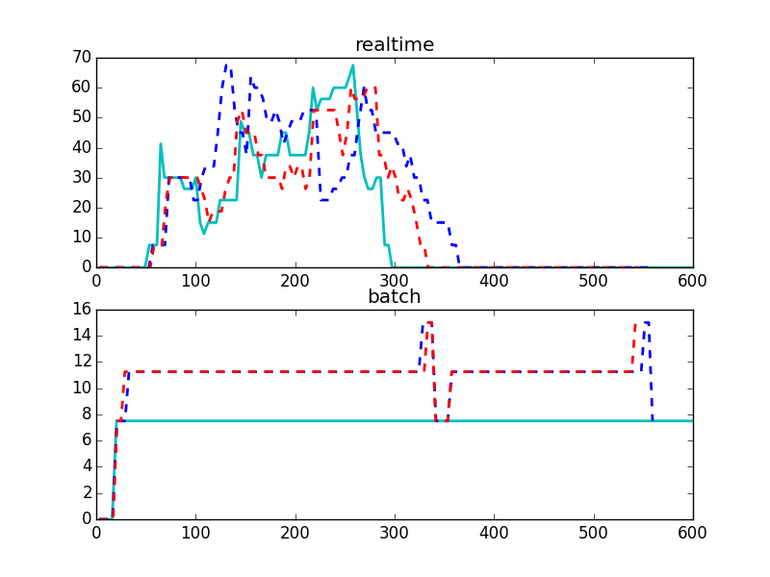

 | 10 to 90 | 20 to 90 | 30 to 90
avg batch | 700 | 415 | 410
avg realtime | 89.5 | 134.25 | 104
Total Exectution Time | 700 | 538 | 529

scenario 1 sched
Experiment ID | capacity batch | capacity realtime | max cap batch | max cap realtime | # batch job | # realtime job | # mappers batch | # reducers batch | # mappers realtime | # reducers realtime | batch 1 duration (sec) | batch 2 duration | batch 3 duration | batch 4 duration | batch 5 duration | avg batch (mem) | realtime 1 duration | realtime 2 duration | avg realtime (mem) | Total Exectution Time (mem) | with preemption | avg batch (CPU) | avg realtime (CPU) | Total Exectution Time (CPU)
117 | 50 | 50 | 50 | 50 | 5 | 2 | 18 | 1 | 5 | 0 | 105 | 207 | 199 | 208 | 216 | 187 | 157 | 203 | 180 | 392 |  | 190.8 | 111.5 | 411
119 | 60 | 40 | 60 | 40 | 5 | 2 | 18 | 1 | 5 | 0 | 86 | 108 | 121 | 143 | 151 | 121.8 | 174 | 159 | 166.5 | 342 |  | 164 | 128 | 356
120 | 70 | 30 | 70 | 30 | 5 | 2 | 18 | 1 | 5 | 0 | 74 | 137 | 130 | 125 | 167 | 126.6 | 187 | 283 | 235 | 362 |  | 152.8 | 167 | 362
121 | 80 | 20 | 80 | 20 | 5 | 2 | 18 | 1 | 5 | 0 | 87 | 117 | 124 | 123 | 140 | 118.2 | 250 | 212 | 231 | 385 |  | 114.2 | 183 | 343
122 | 90 | 10 | 90 | 10 | 5 | 2 | 18 | 1 | 5 | 0 | 90 | 115 | 101 | 121 | 109 | 107.2 | 500 | 500 | 500 | 500 |  | 100.2 | 500 | 500

158 | 50 | 50 | 50 | 50 | 5 | 2 |  |  |  |  | 110 | 169 | 190 | 222 | 263 | 190.8 | 89 | 134 | 111.5 | 411
159 | 60 | 40 | 60 | 40 | 5 | 2 |  |  |  |  | 113 | 185 | 174 | 169 | 179 | 164 | 108 | 148 | 128 | 356
160 | 70 | 30 | 70 | 30 | 5 | 2 |  |  |  |  | 104 | 167 | 150 | 160 | 183 | 152.8 | 160 | 174 | 167 | 362
161 | 80 | 20 | 80 | 20 | 5 | 2 |  |  |  |  | 91 | 117 | 102 | 134 | 127 | 114.2 | 181 | 185 | 183 | 343
162 | 90 | 10 | 90 | 10 | 5 | 2 |  |  |  |  | 63 | 95 | 106 | 113 | 124 | 100.2 | timeout | timeout | 500 | >20min

performances in different schedulin mechanisms

